Sheet_1
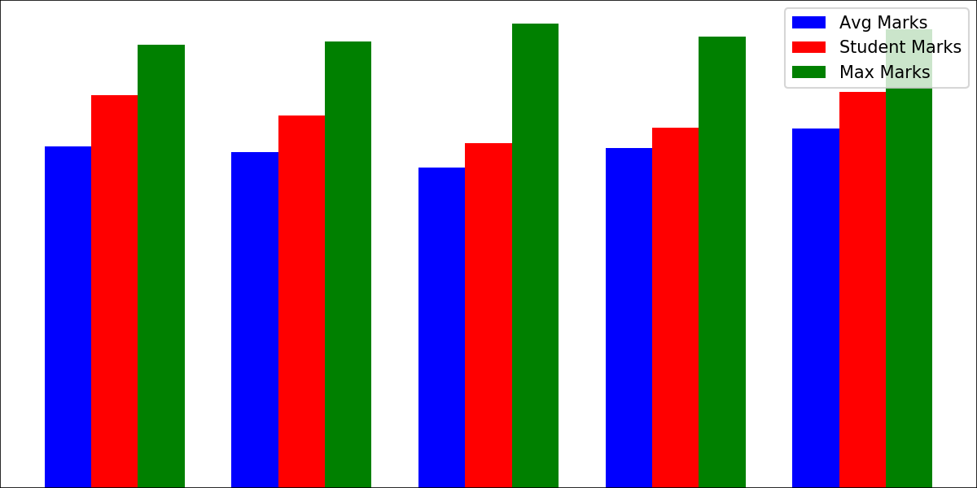
College | Name | I2IT

College | Code | 4095
Gender |  | M
Roll | No. | 3
Name |  | Aayush
Subjects | Avg | Max | Your | Grades
Maths | 7.5825 | 8.41 | 8.41 | A
Physics | 7.1625 | 8.24 | 8.24 | A
Chemistry | 6.2775 | 7.52 | 7.52 | B
Computer | 6.69 | 8.25 | 8.25 | A
English | 6.945 | 8.18 | 7.75 | B
Percentage | 80.34 | 40.6 | 40.17 | A

